1 - M
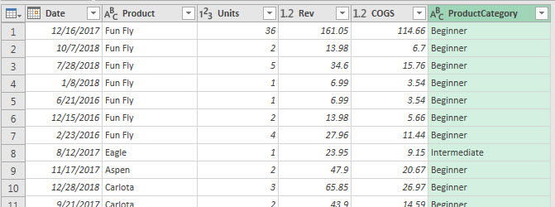
Here is a picture of two Homework Files that you can download:

Use Power Query's Merge feature to add a Category Column to the Sales Table,
and then Load the Table to the Data Model.
The final table should look like this:

